Market Value
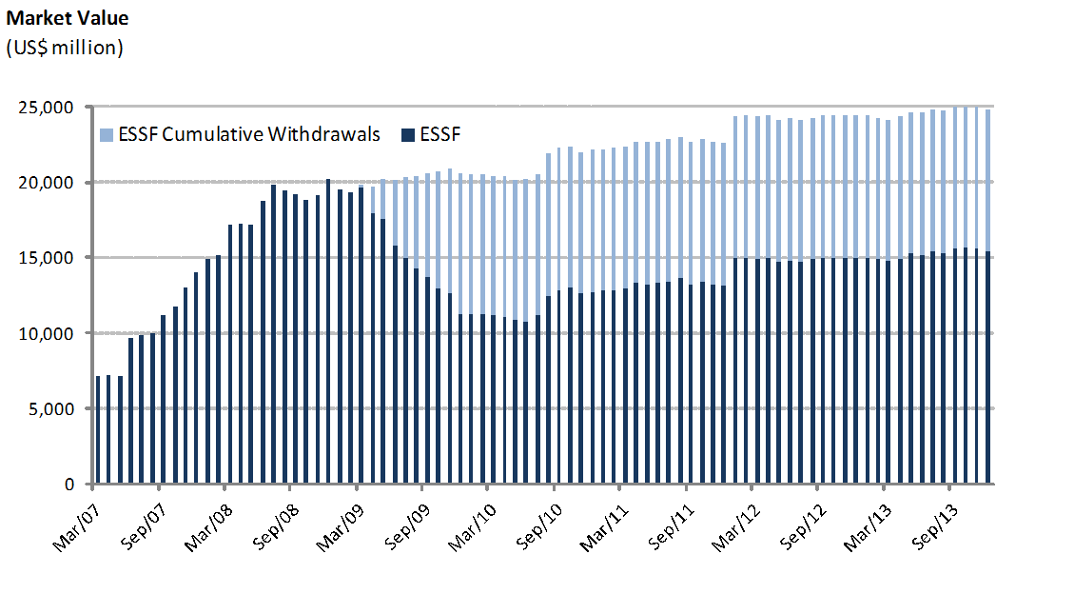
ESSF Market Value

By Asset Class | 2007 | 2008 | 2009 | 2010 | 2011 | 2012 | 2013
(US$ million) |  |  |  |  |  |  | 1Q | 2Q | 3Q (1) | October | November | December
Money Market (2) | 4,216.29 | 5,957.12 | 3,373.66 | 3,773.50 | 3,939.33 | 4,488.14 | 4,385.13 | 4,571.79 | 5,367.89 | 5,235.70 | 5,061.63 | 5,107.57
Sovereign Bonds | 9,323.73 | 13,583.62 | 7,508.85 | 8,501.34 | 8,755.83 | 9,987.37 | 9,854.70 | 10,100.34 | 8,967.56 | 8,705.56 | 8,723.77 | 8,524.08
Sovereign Inflation Linked Bonds | 492.59 | 669.93 | 402.27 | 445.26 | 461.48 | 522.01 | 514.82 | 535.70 | 598.91 | 549.28 | 547.20 | 541.64
Equities | - | - | - | - | - | - | - | - | 625.14 | 1,205.75 | 1,223.91 | 1,245.83
Market Value | 14,032.61 | 20,210.68 | 11,284.78 | 12,720.10 | 13,156.64 | 14,997.52 | 14,754.65 | 15,207.83 | 15,559.49 | 15,696.29 | 15,556.51 | 15,419.13
(1) A new invesment policy including equities was implemented.
(2) Includes sovereign bills and commercial money market.

By Risk Exposure | 2007 | 2008 | 2009 | 2010 | 2011 | 2012 | 2013
(US$ million) |  |  |  |  |  |  | 1Q | 2Q | 3Q (1) | October | November | December
Sovereigns | 9,283.19 | 16,617.20 | 8,913.96 | 10,112.22 | 10,949.50 | 12,746.00 | 12,523.65 | 12,904.21 | 12,068.94 | 11,732.04 | 11,620.91 | 11,450.71
Banks | 4,216.29 | 3,593.47 | 2,370.82 | 2,607.88 | 2,207.14 | 2,251.52 | 2,230.99 | 2,303.62 | 2,865.41 | 2,758.49 | 2,711.70 | 2,722.58
Agencies | 533.12 | 0.00 | 0.00 | 0.00 | 0.00 | 0.00 | 0.00 | 0.00 | - | - | - | -
Equities | - | 0.00 | 0.00 | 0.00 | 0.00 | 0.00 | 0.00 | 0.00 | 625.14 | 1,205.75 | 1,223.91 | 1,245.83
Market Value | 14,032.61 | 20,210.68 | 11,284.78 | 12,720.10 | 13,156.64 | 14,997.52 | 14,754.65 | 15,207.83 | 15,559.49 | 15,696.29 | 15,556.51 | 15,419.13
(1) A new invesment policy including equities was implemented.

Changes in Market Value | 2007 | 2008 | 2009 | 2010 | 2011 | 2012 | 2013 |  |  |  |  |  | Since Inception(1)
(US$ million) |  |  |  |  |  |  | 1Q | 2Q | 3Q | October | November | December
Starting Market Value | 0.00 | 14,032.61 | 20,210.68 | 11,284.78 | 12,720.10 | 13,156.64 | 14,997.52 | 14,754.65 | 15,207.83 | 15,559.49 | 15,696.29 | 15,556.51 | 0.00
Contributions | 13,100.00 | 5,000.00 | 0.00 | 1,362.33 | 0.00 | 1,700.00 | 0.00 | 603.39 | 0.00 | 0.00 | 0.00 | 0.00 | 21,765.71
Withdrawals | 0.00 | 0.00 | -9,277.71 | -150.00 | 0.00 | 0.00 | 0.00 | 0.00 | 0.00 | 0.00 | 0.00 | 0.00 | -9,427.71
Accrued Interest | 326.15 | 623.95 | 404.27 | 227.63 | 236.99 | 201.89 | 42.52 | 45.87 | 45.97 | 15.77 | 16.76 | 17.22 | 2,204.99
Capital Gains (Losses) | 606.81 | 556.08 | -50.83 | -3.51 | 200.71 | -59.71 | -284.88 | -195.56 | 306.08 | 121.03 | -156.53 | -153.85 | 885.83
Admin., Custody and Other Costs(2) | -0.35 | -1.96 | -1.62 | -1.13 | -1.16 | -1.30 | -0.51 | -0.51 | -0.39 | 0.00 | 0.00 | -0.76 | -9.69
Final Market Value | 14,032.61 | 20,210.68 | 11,284.78 | 12,720.10 | 13,156.64 | 14,997.52 | 14,754.65 | 15,207.83 | 15,559.49 | 15,696.29 | 15,556.51 | 15,419.13 | 15,419.13
(1) The ESSF was established by the merger of the fiscal assets saved under Decree Law N° 3.653 (1981) with those of the Copper Income Compensation Fund. The first payment into the new fund was made on March 6, 2007.
(2) It includes costs associated with consultants and others.
(2) Incluye costos asociados a asesorías y otros.
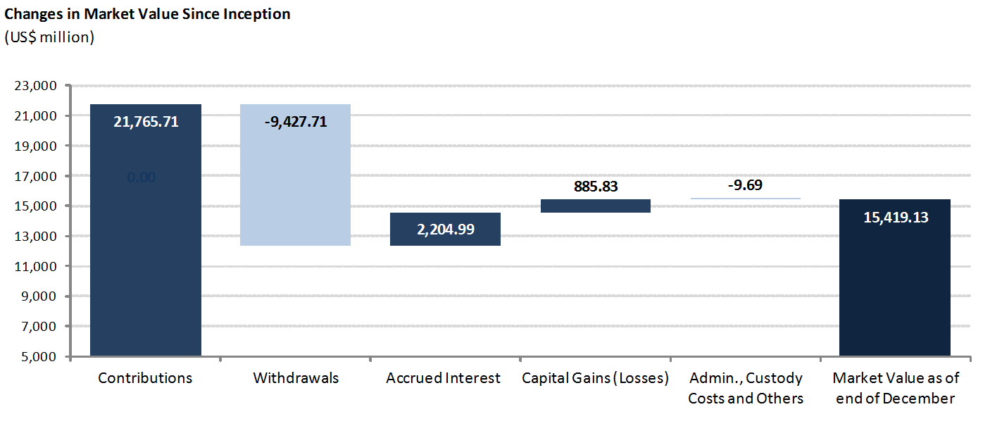

 |  |  |  |  |  |  |  |  |  |  |  | Datos Gráfico
 |  |  |  |  |  |  |  |  |  |  |  | inicial | marginal | Etiqueta de Datos

 |  |  |  |  |  |  |  |  |  |  |  | 21,162.33 | 0.00 | 21,162.33 | Aportes
 |  |  |  |  |  |  |  |  |  |  |  | 11,734.62 | 9,427.71 | -9,427.71 | Retiros
 |  |  |  |  |  |  |  |  |  |  |  | 11,734.62 | 1,858.13 | 1,858.13 | Interés Devengado
 |  |  |  |  |  |  |  |  |  |  |  | 13,592.75 | 1,388.21 | 1,388.21 | Ganancias (pérdidas) de capital
 |  |  |  |  |  |  |  |  |  |  |  | 14,974.51 | 6.45 | -6.45 | Costos de Adm. y Custodia
 |  |  |  |  |  |  |  |  |  |  |  | 14,974.51 |  | 14,974.51 | Valor de Mercado Cierre de Febrero

