Market Value
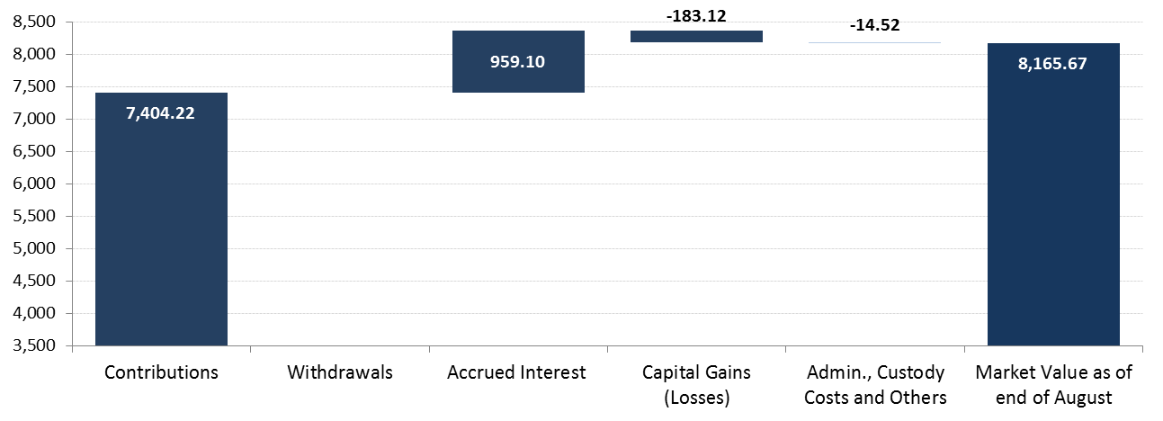
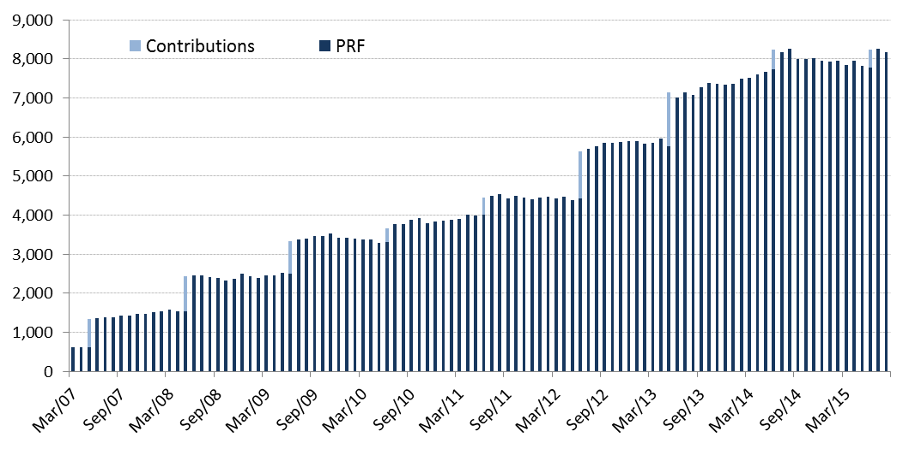
PRF Market Value

Changes in Market Value | 2007 | 2008 | 2009 | 2010 | 2011 | 2012 | 2013 | 2014 | 2015 |  |  |  | Since Inception
(US$ million) |  |  |  |  |  |  |  |  | Q1 | Q2 | July | August
Starting Market Value(1) | 604.63 | 1,466.35 | 2,506.76 | 3,420.83 | 3,836.70 | 4,405.60 | 5,883.25 | 7,335.11 | 7,943.70 | 7,847.03 | 8,233.37 | 8,265.76 | 0.00
Contributions | 736.35 | 909.07 | 836.71 | 337.30 | 443.32 | 1,197.37 | 1,376.75 | 498.93 | 0.00 | 463.88 | 0.00 | 0.00 | 7,404.22
Withdrawals | 0.00 | 0.00 | 0.00 | 0.00 | 0.00 | 0.00 | 0.00 | 0.00 | 0.00 | 0.00 | 0.00 | 0.00 | 0.00
Accrued Interest | 45.62 | 71.25 | 71.86 | 70.23 | 75.20 | 130.65 | 174.06 | 190.18 | 46.01 | 52.01 | 14.83 | 17.19 | 959.10
Capital Gains (Losses) | 79.79 | 60.42 | 5.85 | 8.74 | 50.81 | 150.87 | -94.60 | -75.90 | -141.65 | -128.51 | 17.96 | -116.99 | -183.12
Admin., Custody and Other Costs(2) | -0.04 | -0.33 | -0.35 | -0.41 | -0.43 | -1.23 | -4.35 | -4.63 | -1.03 | -1.03 | -0.41 | -0.28 | -14.52
Final Market Value | 1,466.35 | 2,506.76 | 3,420.83 | 3,836.70 | 4,405.60 | 5,883.25 | 7,335.11 | 7,943.70 | 7,847.03 | 8,233.37 | 8,265.76 | 8,165.67 | 8,165.67
(1) The PRF was established with an initial contribution of US$604.5 million on December 28, 2006.
(2) It includes costs associated with consultants and others.

By Asset Class | 2007 | 2008 | 2009 | 2010 | 2011 | 2012 (1) | 2013 | 2014 | 2015
(US$ million) |  |  |  |  |  |  |  |  | Q1 | Q2 | July | August
Money Market | 439.54 | 736.05 | 1,018.55 | 1,142.37 | 1,311.07 | - | - | - | - | - | - | -
Sovereign and Government Related Bonds(2) | 974.69 | 1,686.93 | 2,280.42 | 2,559.90 | 2,940.06 | 2,703.67 | 3,431.55 | 3,766.56 | 3,677.25 | 4,049.27 | 3,972.43 | 3,976.75
Inflation Indexed Sov. Bonds | 52.13 | 83.79 | 121.86 | 134.42 | 154.47 | 1,029.31 | 1,233.25 | 1,356.21 | 1,338.76 | 1,318.32 | 1,410.93 | 1,399.61
Corporate Bonds | - | - | - | - | - | 1,198.96 | 1,453.66 | 1,609.61 | 1,590.81 | 1,643.73 | 1,649.29 | 1,640.18
Equity | - | - | - | - | - | 951.31 | 1,216.65 | 1,211.32 | 1,240.20 | 1,222.06 | 1,233.10 | 1,149.13
Market Value | 1,466.35 | 2,506.76 | 3,420.83 | 3,836.70 | 4,405.60 | 5,883.25 | 7,335.11 | 7,943.70 | 7,847.03 | 8,233.37 | 8,265.76 | 8,165.67
(1) The new investment policy was implemented between January and mid-March. This policy considers the following asset classes: Sovereign and Government Related Bonds, Inflation Indexed Sovereign Bonds, Corporate Bonds, and Equity.
(2) Investment in Government Related Bonds started in January 2012.

By Risk Exposure(1) | 2007 | 2008 | 2009 | 2010 | 2011 | 2012 | 2013 | 2014 | 2015
(US$ million) |  |  |  |  |  |  |  |  | Q1 | Q2 | July | August
Sovereign and Government Related | 1,026.81 | 2,102.55 | 2,689.79 | 3,024.63 | 3,652.58 | 3,713.54 | 3,643.15 | 5,122.40 | 5,018.09 | 5,060.42 | 5,381.24 | 5,372.72
Banks | 439.54 | 404.21 | 731.04 | 812.06 | 753.02 | 37.11 | 16.74 | 13.90 | 22.15 | 364.00 | 6.95 | 23.01
Corporate Bonds | - | - | - | - | - | 1,186.74 | 1,177.51 | 1,600.48 | 1,571.05 | 1,590.69 | 1,648.19 | 1,624.43
Equity | - | - | - | - | - | 945.87 | 1,007.52 | 1,206.92 | 1,235.74 | 1,218.27 | 1,229.38 | 1,145.51
Market Value | 1,466.35 | 2,506.76 | 3,420.83 | 3,836.70 | 4,405.60 | 5,883.25 | 5,844.92 | 7,943.70 | 7,847.03 | 8,233.37 | 8,265.76 | 8,165.67
(1) Only for the purposes of this table the term deposits and cash equivalents associated to each asset class are reported as Banks.

