Market Value
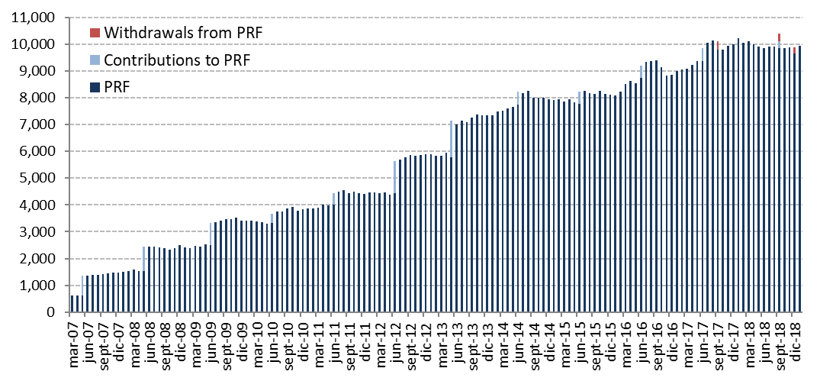
Initial Adjustment | Changes in Market Value | 2007 | 2008 | 2009 | 2010 | 2011 | 2012 | 2013 | 2014 | 2015 | 2016 | 2017 | 2018 |  |  |  | 2019 | Since Inception
 | (US$ million) |  |  |  |  |  |  |  |  |  |  |  | Q1 | Q2 | Q3 | Q4 | January
 | Starting Market Value(1) | 604.63 | 1,466.35 | 2,506.76 | 3,420.83 | 3,836.70 | 4,405.60 | 5,883.25 | 7,335.11 | 7,943.70 | 8,112.21 | 8,862.07 | 10,010.95 | 10,123.76 | 9,870.59 | 10,103.91 | 9,663.25 | 0.00
604.54 | Contributions | 736.35 | 909.07 | 836.71 | 337.30 | 443.32 | 1,197.37 | 1,376.75 | 498.93 | 463.88 | 462.29 | 505.15 | 0.00 | 0.00 | 541.58 | 0.00 | 0.00 | 8,913.24
 | Withdrawals | 0.00 | 0.00 | 0.00 | 0.00 | 0.00 | 0.00 | 0.00 | 0.00 | 0.00 | 0.00 | -313.95 | 0.00 | 0.00 | -295.23 | -229.83 | 0.00 | -839.00
 | Accrued Interest | 45.62 | 71.25 | 71.86 | 70.23 | 75.20 | 130.65 | 174.06 | 190.18 | 194.29 | 197.38 | 207.71 | 53.37 | 52.56 | 51.80 | 63.97 | 23.04 | 1,673.18
0.09 | Capital Gains (Losses) | 79.79 | 60.42 | 5.85 | 8.74 | 50.81 | 150.87 | -94.60 | -75.90 | -485.19 | 94.45 | 754.81 | 60.57 | -304.41 | -63.60 | -273.74 | 247.53 | 216.48
 | Admin., Custody and Other Costs(2) | -0.04 | -0.33 | -0.35 | -0.41 | -0.43 | -1.23 | -4.35 | -4.63 | -4.47 | -4.24 | -4.85 | -1.13 | -1.32 | -1.24 | -1.05 | -0.78 | -30.86
 | Final Market Value | 1,466.35 | 2,506.76 | 3,420.83 | 3,836.70 | 4,405.60 | 5,883.25 | 7,335.11 | 7,943.70 | 8,112.21 | 8,862.07 | 10,010.95 | 10,123.76 | 9,870.59 | 10,103.91 | 9,663.25 | 9,933.03 | 9,933.03
 | (1) The PRF was established with an initial contribution of US$604.5 million on December 28, 2006.
 | (2) It includes costs associated with consultants and others.

 | By Asset Class | 2007 | 2008 | 2009 | 2010 | 2011 | 2012 (1) | 2013 | 2014 | 2015 | 2016 | 2017 | 2018 |  |  |  | 2019
 | (US$ million) |  |  |  |  |  |  |  |  |  |  |  | Q1 | Q2 | Q3 | Q4 | January
 | Money Market | 439.54 | 736.05 | 1,018.55 | 1,142.37 | 1,311.07 | - | - | - | - | - | - | - | - | - | - | -
 | Sovereign and Government Related Bonds(2) | 974.69 | 1,686.93 | 2,280.42 | 2,559.90 | 2,940.06 | 2,703.67 | 3,431.55 | 3,766.56 | 3,975.33 | 4,099.88 | 4,695.10 | 4,817.59 | 4,660.97 | 4,562.60 | 4,404.18 | 3,820.32
 | Inflation Indexed Sov. Bonds | 52.13 | 83.79 | 121.86 | 134.42 | 154.47 | 1,029.31 | 1,233.25 | 1,356.21 | 1,344.03 | 1,529.29 | 1,729.17 | 1,751.72 | 1,693.58 | 1,668.92 | 1,649.91 | 1,082.17
 | US Agencies MBS |  |  |  |  |  |  |  |  |  |  |  | - | - | - | - | 587.87
 | Corporate Bonds | - | - | - | - | - | 1,198.96 | 1,453.66 | 1,609.61 | 1,628.69 | 1,788.70 | 1,993.53 | 1,974.72 | 1,926.32 | 1,936.37 | 1,918.37 | 1,296.44
 | High Yield Bonds |  |  |  |  |  |  |  |  |  |  |  | - | - | - | - | 782.16
 | Equities | - | - | - | - | - | 951.31 | 1,216.65 | 1,211.32 | 1,164.15 | 1,444.20 | 1,593.15 | 1,579.72 | 1,589.72 | 1,936.01 | 1,690.79 | 2,364.06
 | Market Value | 1,466.35 | 2,506.76 | 3,420.83 | 3,836.70 | 4,405.60 | 5,883.25 | 7,335.11 | 7,943.70 | 8,112.21 | 8,862.07 | 10,010.95 | 10,123.76 | 9,870.59 | 10,103.91 | 9,663.25 | 9,933.03 |  | j
 | (1) The new investment policy was implemented between January and mid-March. This policy considers the following asset classes: Sovereign and Government Related Bonds, Inflation Indexed Sovereign Bonds, Corporate Bonds, and Equity.
 | (2) Investment in Government Related Bonds started in January 2012.

 | By Risk Exposure(1) | 2007 | 2008 | 2009 | 2010 | 2011 | 2012 | 2013 | 2014 | 2015 | 2016 | 2017 | 2018 |  |  |  | 2019
 | (US$ million) |  |  |  |  |  |  |  |  |  |  |  | Q1 | Q2 | Q3 | Q4 | January
 | Sovereign and Government Related(2) | 1,026.81 | 2,102.55 | 2,689.79 | 3,024.63 | 3,652.58 | 3,713.54 | 4,654.00 | 5,122.40 | 5,295.10 | 5,624.09 | 6,422.43 | 6,567.16 | 6,355.12 | 6,231.60 | 6,035.00 | 5,728.70
 | Banks (3) | 439.54 | 404.21 | 731.04 | 812.06 | 753.02 | 37.11 | 25.14 | 13.90 | 39.97 | 22.16 | 24.96 | 19.57 | 11.84 | 27.54 | 37.34 | 18.66
 | Corporate Bonds | - | - | - | - | - | 1,186.74 | 1,444.15 | 1,600.48 | 1,616.86 | 1,777.89 | 1,978.33 | 1,964.48 | 1,920.91 | 1,931.97 | 1,906.92 | 1,828.72
 | Equity | - | - | - | - | - | 945.87 | 1,211.83 | 1,206.92 | 1,160.27 | 1,437.93 | 1,585.22 | 1,572.56 | 1,582.72 | 1,912.80 | 1,683.99 | 2,356.95
 | Market Value | 1,466.35 | 2,506.76 | 3,420.83 | 3,836.70 | 4,405.60 | 5,883.25 | 7,335.11 | 7,943.70 | 8,112.21 | 8,862.07 | 10,010.95 | 10,123.76 | 9,870.59 | 10,103.91 | 9,663.25 | 9,933.03
 | (1) Only for the purposes of this table the term deposits and cash equivalents associated to each asset class are reported as Banks.
 | (2) It includes forwards and TBA's
 | (3) Since 2012, it represents cash, cash equivalents and unliquitated transactions.

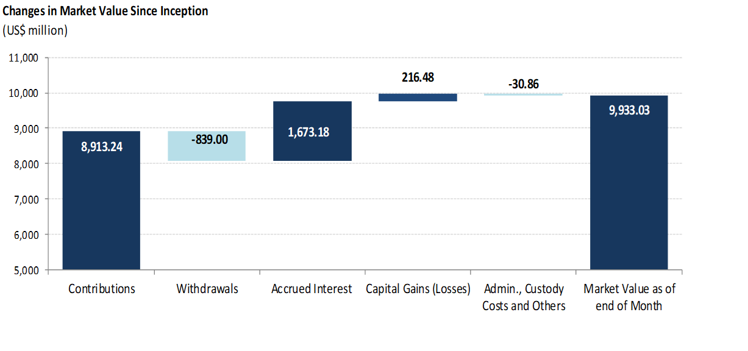
 | Changes in Market Value Since Inception
 | (US$ million)

 | Historical Market Value
 | (US$ million)

