Market Value
Initial Adjustment | Changes in Market Value | 2007 | 2008 | 2009 | 2010 | 2011 | 2012 | 2013 | 2014 | 2015 | 2016 | 2017 | 2018 | 2019 |  |  |  | 2020 | Since Inception
 | (US$ million) |  |  |  |  |  |  |  |  |  |  |  |  | Q1 | Q2 | Q3 | Q4 | January
 | Starting Market Value(1) | 604.63 | 1,466.35 | 2,506.76 | 3,420.83 | 3,836.70 | 4,405.60 | 5,883.25 | 7,335.11 | 7,943.70 | 8,112.21 | 8,862.07 | 10,010.95 | 9,663.25 | 10,106.13 | 10,435.69 | 10,498.42 | 10,812.08 | 0.00
604.54 | Contributions | 736.35 | 909.07 | 836.71 | 337.30 | 443.32 | 1,197.37 | 1,376.75 | 498.93 | 463.88 | 462.29 | 505.15 | 541.58 | 0.00 | 563.89 | 0.00 | 0.00 | 0.00 | 9,477.13
 | Withdrawals | 0.00 | 0.00 | 0.00 | 0.00 | 0.00 | 0.00 | 0.00 | 0.00 | 0.00 | 0.00 | -313.95 | -525.05 | 0.00 | -576.51 | 0.00 | 0.00 | 0.00 | -1,415.51
 | Accrued Interest | 45.62 | 71.25 | 71.86 | 70.23 | 75.20 | 130.65 | 174.06 | 190.18 | 194.29 | 197.38 | 207.71 | 221.70 | 67.03 | 71.61 | 62.75 | 63.74 | 18.60 | 1,933.87
0.09 | Capital Gains (Losses) | 79.79 | 60.42 | 5.85 | 8.74 | 50.81 | 150.87 | -94.60 | -75.90 | -485.19 | 94.45 | 754.81 | -581.19 | 377.32 | 272.24 | 1.49 | 252.75 | 42.51 | 915.25
 | Admin., Custody and Other Costs(2) | -0.04 | -0.33 | -0.35 | -0.41 | -0.43 | -1.23 | -4.35 | -4.63 | -4.47 | -4.24 | -4.85 | -4.74 | -1.47 | -1.67 | -1.51 | -2.82 | -0.29 | -37.82
 | Final Market Value | 1,466.35 | 2,506.76 | 3,420.83 | 3,836.70 | 4,405.60 | 5,883.25 | 7,335.11 | 7,943.70 | 8,112.21 | 8,862.07 | 10,010.95 | 9,663.25 | 10,106.13 | 10,435.69 | 10,498.42 | 10,812.08 | 10,872.91 | 10,872.91
 | (1) The PRF was established with an initial contribution of US$604.5 million on December 28, 2006.
 | (2) It includes costs associated with consultants and others.

 | By Asset Class | 2007 | 2008 | 2009 | 2010 | 2011 | 2012 (1) | 2013 | 2014 | 2015 | 2016 | 2017 | 2018 | 2019 |  |  |  | 2020
 | (US$ million) |  |  |  |  |  |  |  |  |  |  |  |  | Q1 | Q2 | Q3 | Q4 | January
 | Money Market | 439.54 | 736.05 | 1,018.55 | 1,142.37 | 1,311.07 | - | - | - | - | - | - | - | - | - | - | - | -
 | Sovereign and Government Related Bonds(2) | 974.69 | 1,686.93 | 2,280.42 | 2,559.90 | 2,940.06 | 2,703.67 | 3,431.55 | 3,766.56 | 3,975.33 | 4,099.88 | 4,695.10 | 4,404.18 | 3,833.56 | 3,636.03 | 3,658.61 | 3,653.35 | 3,706.35
 | Inflation Indexed Sov. Bonds | 52.13 | 83.79 | 121.86 | 134.42 | 154.47 | 1,029.31 | 1,233.25 | 1,356.21 | 1,344.03 | 1,529.29 | 1,729.17 | 1,649.91 | 1,101.11 | 1,127.90 | 1,146.87 | 1,148.62 | 975.95
 | US Agencies MBS | - | - | - | - | - | - | - | - | - | - | - | - | 596.03 | 607.72 | 616.14 | 619.96 | 624.53
 | Corporate Bonds | - | - | - | - | - | 1,198.96 | 1,453.66 | 1,609.61 | 1,628.69 | 1,788.70 | 1,993.53 | 1,918.37 | 1,321.12 | 1,374.62 | 1,390.03 | 1,415.47 | 1,438.44
 | High Yield Bonds | - | - | - | - | - | - | - | - | - | - | - | - | 795.57 | 820.67 | 816.82 | 845.68 | 845.90
 | Equities | - | - | - | - | - | 951.31 | 1,216.65 | 1,211.32 | 1,164.15 | 1,444.20 | 1,593.15 | 1,690.79 | 2,458.74 | 2,868.74 | 2,869.95 | 3,128.99 | 3,281.73
 | Market Value | 1,466.35 | 2,506.76 | 3,420.83 | 3,836.70 | 4,405.60 | 5,883.25 | 7,335.11 | 7,943.70 | 8,112.21 | 8,862.07 | 10,010.95 | 9,663.25 | 10,106.13 | 10,435.69 | 10,498.42 | 10,812.08 | 10,872.91 |  | j
 | (1) The new investment policy was implemented between January and mid-March. This policy considers the following asset classes: Sovereign and Government Related Bonds, Inflation Indexed Sovereign Bonds, Corporate Bonds, and Equity.
 | (2) Investment in Government Related Bonds started in January 2012.

 | By Risk Exposure(1) | 2007 | 2008 | 2009 | 2010 | 2011 | 2012 | 2013 | 2014 | 2015 | 2016 | 2017 | 2018 | 2019 |  |  |  | 2020
 | (US$ million) |  |  |  |  |  |  |  |  |  |  |  |  | Q1 | Q2 | Q3 | Q4 | January
 | Sovereign and Government Related(2) | 1,026.81 | 2,102.55 | 2,689.79 | 3,024.63 | 3,652.58 | 3,713.54 | 4,654.00 | 5,122.40 | 5,295.10 | 5,624.09 | 6,422.43 | 6,035.00 | 5,704.29 | 5,559.96 | 5,605.23 | 5,613.99 | 5,463.72
 | Banks (3) | 439.54 | 404.21 | 731.04 | 812.06 | 753.02 | 37.11 | 25.14 | 13.90 | 39.97 | 22.16 | 24.96 | 37.34 | -1.98 | -2.45 | -29.94 | -19.60 | 11.86
 | Corporate Bonds | - | - | - | - | - | 1,186.74 | 1,444.15 | 1,600.48 | 1,616.86 | 1,777.89 | 1,978.33 | 1,906.92 | 1,953.94 | 2,037.68 | 2,060.13 | 2,101.75 | 2,128.56
 | Equity | - | - | - | - | - | 945.87 | 1,211.83 | 1,206.92 | 1,160.27 | 1,437.93 | 1,585.22 | 1,683.99 | 2,449.88 | 2,840.49 | 2,863.00 | 3,115.94 | 3,268.77
 | Market Value | 1,466.35 | 2,506.76 | 3,420.83 | 3,836.70 | 4,405.60 | 5,883.25 | 7,335.11 | 7,943.70 | 8,112.21 | 8,862.07 | 10,010.95 | 9,663.25 | 10,106.13 | 10,435.69 | 10,498.42 | 10,812.08 | 10,872.91
 | (1) Only for the purposes of this table the term deposits and cash equivalents associated to each asset class are reported as Banks.
 | (2) It includes forwards and TBA's
 | (3) Since 2012, it represents cash, cash equivalents and unliquitated transactions.

 | Changes in Market Value Since Inception
 | (US$ million)

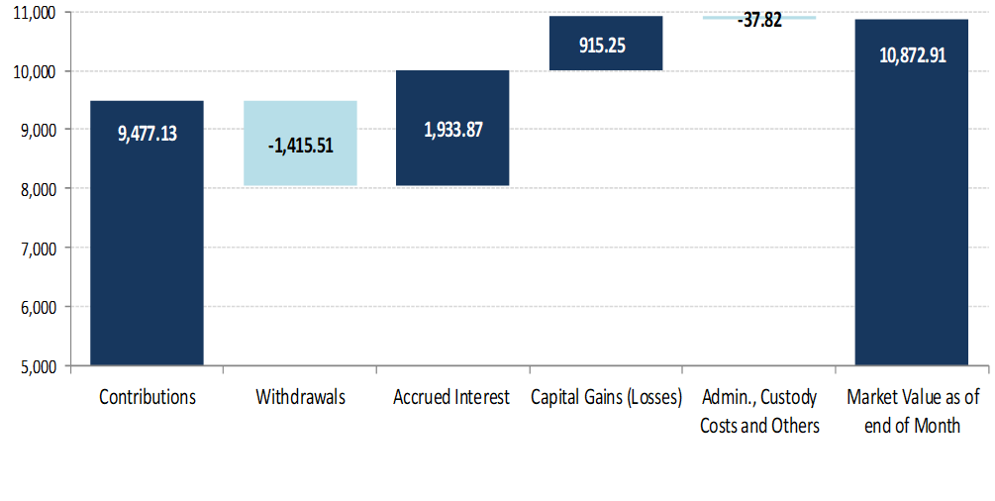

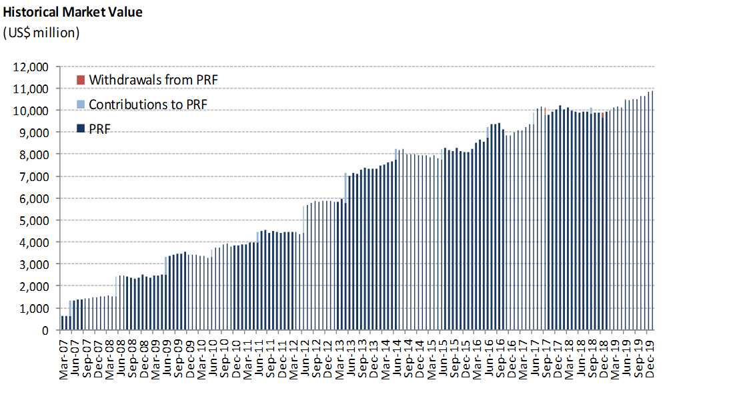
 | Historical Market Value
 | (US$ million)

