Market Value
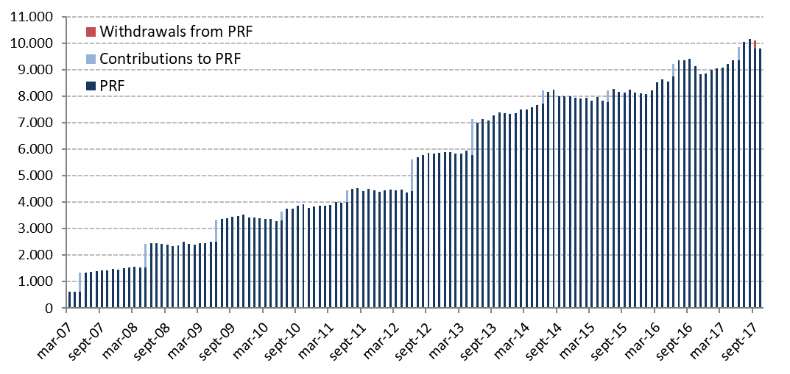
Changes in Market Value | 2007 | 2008 | 2009 | 2010 | 2011 | 2012 | 2013 | 2014 | 2015 | 2016 | 2017 |  |  |  |  | Since Inception
(US$ million) |  |  |  |  |  |  |  |  |  |  | Q1 | Q2 | Q3 | October | November
Starting Market Value(1) | 604.63 | 1,466.35 | 2,506.76 | 3,420.83 | 3,836.70 | 4,405.60 | 5,883.25 | 7,335.11 | 7,943.70 | 8,112.21 | 8,862.07 | 9,096.99 | 9,868.69 | 9,799.75 | 9,805.46 | 0.00
Contributions | 736.35 | 909.07 | 836.71 | 337.30 | 443.32 | 1,197.37 | 1,376.75 | 498.93 | 463.88 | 462.29 | 0.00 | 505.15 | 0.00 | 0.00 | 0.00 | 8,371.66
Withdrawals | 0.00 | 0.00 | 0.00 | 0.00 | 0.00 | 0.00 | 0.00 | 0.00 | 0.00 | 0.00 | 0.00 | 0.00 | -313.95 | 0.00 | 0.00 | -313.95
Accrued Interest | 45.62 | 71.25 | 71.86 | 70.23 | 75.20 | 130.65 | 174.06 | 190.18 | 194.29 | 197.38 | 51.40 | 52.49 | 53.17 | 15.19 | 17.41 | 1,410.39
Capital Gains (Losses) | 79.79 | 60.42 | 5.85 | 8.74 | 50.81 | 150.87 | -94.60 | -75.90 | -485.19 | 94.45 | 184.56 | 215.27 | 192.87 | -8.97 | 119.33 | 498.39
Admin., Custody and Other Costs(2) | -0.04 | -0.33 | -0.35 | -0.41 | -0.43 | -1.23 | -4.35 | -4.63 | -4.47 | -4.24 | -1.05 | -1.21 | -1.05 | -0.51 | -0.32 | -24.61
Final Market Value | 1,466.35 | 2,506.76 | 3,420.83 | 3,836.70 | 4,405.60 | 5,883.25 | 7,335.11 | 7,943.70 | 8,112.21 | 8,862.07 | 9,096.99 | 9,868.69 | 9,799.75 | 9,805.46 | 9,941.89 | 9,941.89
(1) The PRF was established with an initial contribution of US$604.5 million on December 28, 2006.
(2) It includes costs associated with consultants and others.

By Asset Class | 2007 | 2008 | 2009 | 2010 | 2011 | 2012 (1) | 2013 | 2014 | 2015 | 2016 | 2017
(US$ million) |  |  |  |  |  |  |  |  |  |  | Q1 | Q2 | Q3 | October | November
Money Market | 439.54 | 736.05 | 1,018.55 | 1,142.37 | 1,311.07 | - | - | - | - | - | - | - | - | - | -
Sovereign and Government Related Bonds(2) | 974.69 | 1,686.93 | 2,280.42 | 2,559.90 | 2,940.06 | 2,703.67 | 3,431.55 | 3,766.56 | 3,975.33 | 4,099.88 | 4,189.02 | 4,764.78 | 4,665.62 | 4,639.79 | 4,684.49
Inflation Indexed Sov. Bonds | 52.13 | 83.79 | 121.86 | 134.42 | 154.47 | 1,029.31 | 1,233.25 | 1,356.21 | 1,344.03 | 1,529.29 | 1,546.97 | 1,643.53 | 1,662.48 | 1,660.75 | 1,712.04
Corporate Bonds | - | - | - | - | - | 1,198.96 | 1,453.66 | 1,609.61 | 1,628.69 | 1,788.70 | 1,815.25 | 1,983.02 | 1,965.07 | 1,967.08 | 1,976.90
Equity | - | - | - | - | - | 951.31 | 1,216.65 | 1,211.32 | 1,164.15 | 1,444.20 | 1,545.75 | 1,477.36 | 1,506.58 | 1,537.84 | 1,568.46
Market Value | 1,466.35 | 2,506.76 | 3,420.83 | 3,836.70 | 4,405.60 | 5,883.25 | 7,335.11 | 7,943.70 | 8,112.21 | 8,862.07 | 9,096.99 | 9,868.69 | 9,799.75 | 9,805.46 | 9,941.89
(1) The new investment policy was implemented between January and mid-March. This policy considers the following asset classes: Sovereign and Government Related Bonds, Inflation Indexed Sovereign Bonds, Corporate Bonds, and Equity.
(2) Investment in Government Related Bonds started in January 2012.

By Risk Exposure(1) | 2007 | 2008 | 2009 | 2010 | 2011 | 2012 | 2013 | 2014 | 2015 | 2016 | 2017
(US$ million) |  |  |  |  |  |  |  |  |  |  | Q1 | Q2 | Q3 | October | November
Sovereign and Government Related | 1,026.81 | 2,102.55 | 2,689.79 | 3,024.63 | 3,652.58 | 3,713.54 | 3,643.15 | 5,122.40 | 5,295.10 | 5,624.09 | 5,728.71 | 6,376.15 | 6,324.10 | 6,272.94 | 6,398.27
Banks (2) | 439.54 | 404.21 | 731.04 | 812.06 | 753.02 | 37.11 | 16.74 | 13.90 | 39.97 | 22.16 | 31.87 | 58.20 | 18.67 | 47.16 | 13.27
Corporate Bonds | - | - | - | - | - | 1,186.74 | 1,177.51 | 1,600.48 | 1,616.86 | 1,777.89 | 1,796.90 | 1,961.79 | 1,955.80 | 1,953.92 | 1,966.00
Equity | - | - | - | - | - | 945.87 | 1,007.52 | 1,206.92 | 1,160.27 | 1,437.93 | 1,539.51 | 1,472.55 | 1,501.18 | 1,531.43 | 1,564.34
Market Value | 1,466.35 | 2,506.76 | 3,420.83 | 3,836.70 | 4,405.60 | 5,883.25 | 5,844.92 | 7,943.70 | 8,112.21 | 8,862.07 | 9,096.99 | 9,868.69 | 9,799.75 | 9,805.46 | 9,941.89
(1) Only for the purposes of this table the term deposits and cash equivalents associated to each asset class are reported as Banks.
(2) Since 2012, it represents cash, cash equivalents and unliquitated transactions.

Changes in Market Value Since Inception
(US$ million)
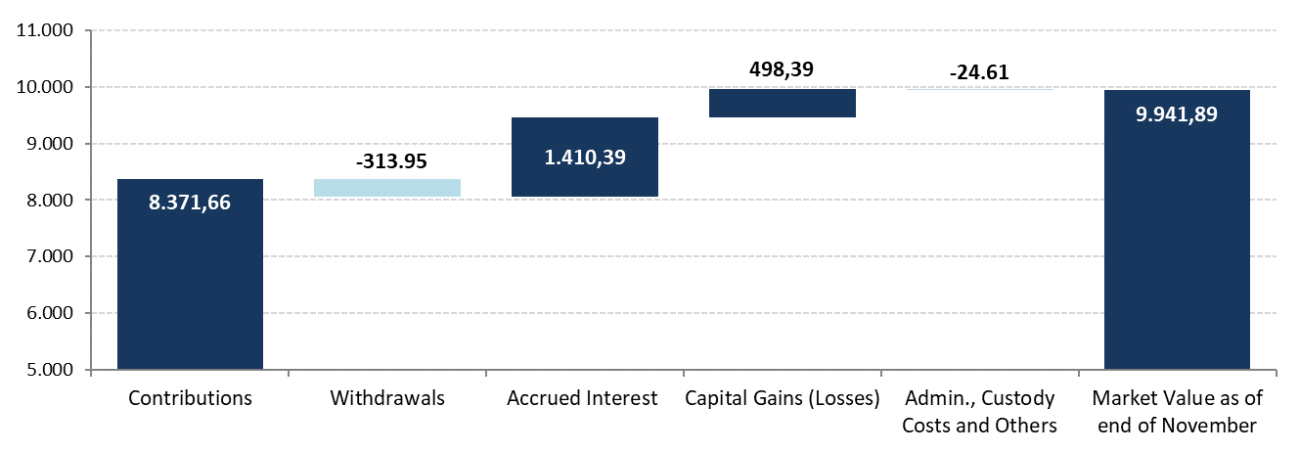

Historical Market Value
(US$ million)

